1 Vessel and Gear
1. Vessel and Gear Details

1.1 Vessel information
Vessel IMO number
Vessel name
Vessel Flag
Vessel call sign
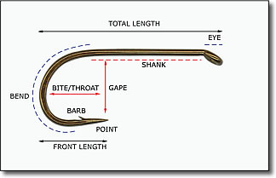
SISO Designated Observer Name
Second Observer Name
Data Provider Name
Data Provider Email Address
1.2 Longline Gear Details
Longline Type
Mainline Type
Hook Total Length (cm)
Hook Shank Length (cm)
Hook Gape (cm)
Hook Throat (cm)
Hook Front Length (cm)
Hook Spacing (m)
1.3 Trotline Gear Details
Spacing between droplines (m)
Number of hook clusters per dropline
Spacing between hook clusters (m)
Number of hooks per cluster

7 VME Data
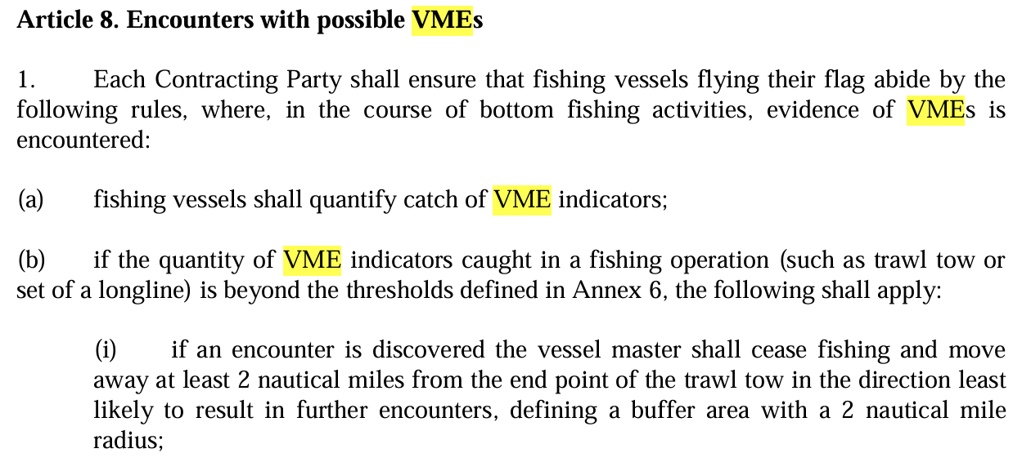
7. VME Data - According to Conservation Measure 30-15 (CM 30-15) |  |  |  |  |  |  |  | IF 10 or more VME indicator units are caught in on line segment:

 |  | Line Segment Midpoint |  |  |  |  |  |  | Encounter in Red TEXT
Haul Number | Line Segment Number | Latitude degrees (-DD) | Latitude minutes (MM.mm) | Longitude degrees (DD) | Longitude minutes (MM.mm) | Depth (m) | Volume (l) | Weight (kg) | Number of VME Indicator Units | ACTION if Encounter

Insert additional rows (if needed for data) by selecting this row, right-click and choose Insert. Do not enter values in this row

